Case Intro
We Wish you best of luck
 |  | Business Insights Team |Business Case scenario: (8 hours) Vodafone’s Project Management Office - Customer Demand and Capacity Planning Allocation Team approaches you to develop a reporting solution for them to analyses resouces allocation per each projects , anticipated free capacity for each resource as they are running demand/supply gap analyses .

You are invited to review and analyze this Multi Sheet Excel Data
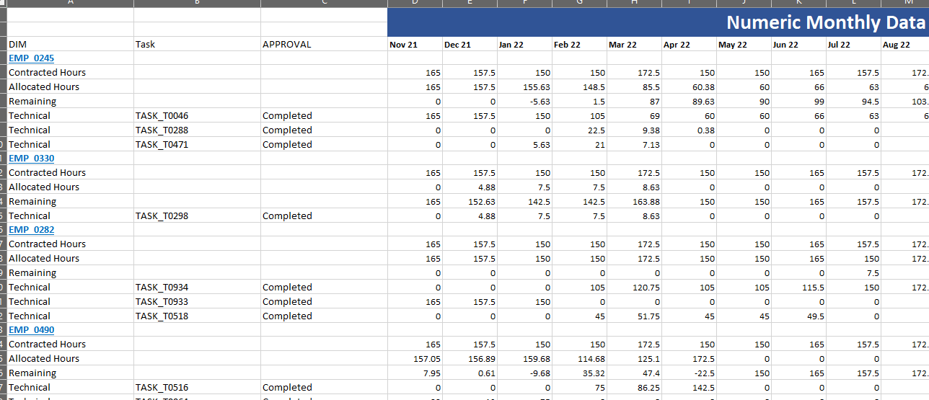

Data at high level
 | These are Time investment and allocations by Task for Employees:
 |  | 1- It comes in a multiple Sheet Excel for Each Geography |  |  |  | (GREEN TABS)
 |  | 2- Tables are a Matrix of Data (on Columns By Month) That is Different Each Refresh to Read Pervious three Months and Coming 6 Months Plus the current
 |  | 3- Some columns has mixed Data in each row like column A has (Employee Code) in Blue, Total (Contracted Hours // Allocated Hours // Remaining (free cpacity)), and Task type (Technical // Planning)
 |  | 4- When column A has a detailed Task type you will find task name @ the next column (Task) otherwise it will be blank
 |  | 5- Sum of Task allocations should match the Allocated Hours
 |  | 6- As always data are expected to have issues -- you need to find, handle and tidy
 |  | 7 - you will have two sheets at the End for Employee Structure and Cost // Allocations by Hour |  |  |  | BLUE TABs

Case Analysis

 |  | You are expected to
 |  |  | Cleanse , Tidy , reformatted the Data for your analysis: |  | Python / Pandas
 |  |  |  | Data Validations // Simple statistical distributions // in Python and Visualizations You are free to chose any library you like

 |  |  | Time is tight so you need to define the KPIs without coming back to Business Leads
 |  |  | Prepare a set of Questions for Discussions in the Coming meeting with stakeholders (to improve your analytics)

 |  |  | Build a Performance Monitor Dashboard for Regional Team |  | In POWER BI

 |  |  | (Optional) A Bonus if you can think of what could be Key and how can we build an intelligent analytics // data Mining // Predictive
 |  |  |  | how far can you go in this directions will be a plus advantage in your assessments

 |  |  | It is Expected that this may take 8 Hours of work --- 24 hours to submit
 |  |  | Deliverables: summarize your thought process, analysis steps, and findings in one document and share it with the BC solution files

 |  |  | In the coming interview, you will be invited to discuss your findings on Camera in English.

